Summary
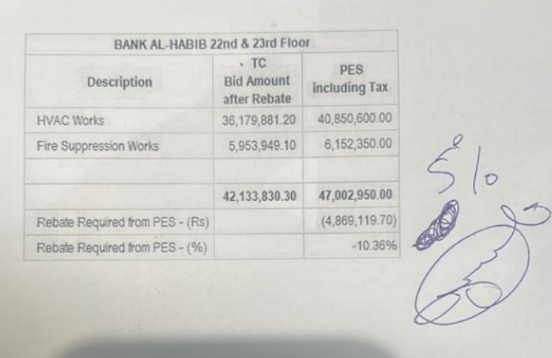
 |  |  |  | Bank Al-Habib Limited

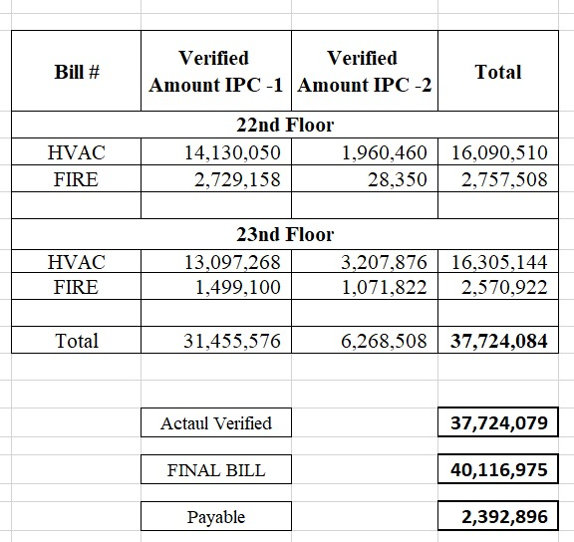
HVAC & Fire Fighting Work |  |  |  | 3-May-24
22nd & 23rd Floor Centerpoint Karachi

SUMMARY OF FINAL BILL

S.No | Description | Previous Amount | Current Amount | Total Amount
1 | HVAC 22nd Floor | 16,114,257 | 482,087 | 16,596,344 | 505,834
2 | HVAC 23rd Floor | 16,553,529 | 355,448 | 16,908,977 | 696,949
 | Total Amount HVAC |  |  | 33,505,321

3 | Fire Fighting 22nd Floor | 2,757,503 | 696,954 | 3,454,457 | 603,833
4 | Fire Fighting 23rd Floor | 2,599,797 | 555,090 | 3,154,887 | 583,965
 | Total Amount Fire Fighting |  |  | 6,609,344 | 2,390,581

 | Grand Total Amount | 38,025,086 | 2,089,579 | 40,114,665

